Poly_SmartBuy
 | Speaker Phones |  |  |  | Schnurlose Headsets |  |  |  |  |  |  |  |  |  |  |  | Videobar | Videobar
 |  |  |  |  |  |  | HighEnd | HighEnd | Einisteiger |  | Einsteiger
SMART BUY PREISLISTE | Poly Sync 20 | Poly Sync 20 M | Poly Sync 20 | Poly Sync 20 M | Poly Voyager Focus2-M mit Ladestand | Poly Voyager Focus2-M | Poly Voyager Focus2 mit Ladestand | Poly Voyager Focus2 | Poly Voyager 4320 mit BT700 Dongle | Poly Voyager 4320-M mit BT700 Dongle | Poly Voyager 4320 mit BT700 Dongle und Ladestand | Poly Voyager 4320-M mit BT700 Dongle und Ladestand | Poly Voyager Legend 50 mit BT700 Dongle | Poly Voyager Legend 50-M mit BT700 Dongle | Poly Voyager Surround 80 mit BT700 Dongle | Poly Voyager Surround 80-M mit BT700 Dongle | Poly Studio V12 | Poly Studio R30

NEU
NEU
NEU
NEU
NEU
Gültigkeit Oktober 2025 | 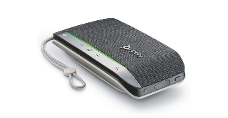
HP Brand | Poly | Poly | Poly | Poly | Poly | Poly | Poly | Poly | Poly | Poly | Poly | Poly | Poly | Poly | Poly | Poly | Poly | Poly
Technologie | Corded / Bluetooth | Corded / Bluetooth | Corded / Bluetooth | Corded / Bluetooth | Bluetooth | Bluetooth | Bluetooth | Bluetooth | Bluetooth | Bluetooth | Bluetooth | Bluetooth | Bluetooth | Bluetooth | Bluetooth | Bluetooth | USB | USB
HP Artikelnummer | 772D2AA | 772C8AA | B95VJUT#AC3 | B95VMUT#AC3 | 9T9J6AA#AC3 | 9T9J4AA#AC3 | 9T9J5AA#AC3 | 9T9J3AA#AC3 | 76U49AA | 77Y98AA | 77Y99AA | 77Z00AA | AT9M9AA#ABB | AJ8V4AA#ABB | 8G7T9AA | 8G7U0AA | A9DD8AA#ABB | 842D2AA#ABB
HP Produktlinie | NG | NG | NG | NG | NG | NG | NG | NG | NG | NG | NG | NG | NG | NG | NG | NG | NJ | NJ
aktuelle Distributions Verfügbarkeit | • | • | • | • | • | • | • | • | • | • | • | • | • | • | • | • | • | •
Verfügbarkeitsaussicht (2-6 Wochen) | • | • | • | • | • | • | • | • | • | • | • | • | • | • | • | • | • | •
Produkt-/Seriendatenblatt | Datenblatt | Datenblatt | Datenblatt | Datenblatt | Datenblatt | Datenblatt | Datenblatt | Datenblatt | Datenblatt | Datenblatt | Datenblatt | Datenblatt | Datenblatt | Datenblatt | Datenblatt | Datenblatt | Datenblatt | Datenblatt
HEK (netto)* | € 65 | € 65 | € 65 | € 65 | € 133 | € 125 | € 133 | € 125 | € 88 | € 88 | € 95 | € 95 | € 112 | € 112 | € 210 | € 210 | € 680 | € 350
UVP (inkl. 19% MWst) | € 167 | € 167 | € 167 | € 167 | € 358 | € 338 | € 358 | € 338 | € 236 | € 236 | € 256 | € 256 | € 232 | € 232 | € 540 | € 540 | € 1,012.00 | € 716.32
Endkunden-Cashback
Garantie | 2 Jahr Herstellergarantie | 2 Jahr Herstellergarantie | 2 Jahr Herstellergarantie | 2 Jahr Herstellergarantie | 2 Jahr Herstellergarantie | 2 Jahr Herstellergarantie | 2 Jahr Herstellergarantie | 2 Jahr Herstellergarantie | 2 Jahr Herstellergarantie | 2 Jahr Herstellergarantie | 2 Jahr Herstellergarantie | 2 Jahr Herstellergarantie | 2 Jahr Herstellergarantie | 2 Jahr Herstellergarantie | 2 Jahr Herstellergarantie | 2 Jahr Herstellergarantie | Ein Jahr Herstellergarantie | Ein Jahr Herstellergarantie
Merkmale | Kleine Konferenzeinheit gute Musikwiedergabe 2m Mikrofon Aufnahmebereich Vollduplex Audio Geräusch & Echounterdrückung Integrierte Powerbank Bluetooth Status LEDs Programmierbare Taste Schlüsselband Tasche | Kleine Konferenzeinheit gute Musikwiedergabe 2m Mikrofon Aufnahmebereich Vollduplex Audio Geräusch & Echounterdrückung Integrierte Powerbank Bluetooth Status LEDs Programmierbare Taste TEAMS Taste Schlüsselband Tasche | Kleine Konferenzeinheit gute Musikwiedergabe 2m Mikrofon Aufnahmebereich Vollduplex Audio Geräusch & Echounterdrückung Integrierte Powerbank Bluetooth Status LEDs Programmierbare Taste Schlüsselband Tasche | Kleine Konferenzeinheit gute Musikwiedergabe 2m Mikrofon Aufnahmebereich Vollduplex Audio Geräusch & Echounterdrückung Integrierte Powerbank Bluetooth Status LEDs Programmierbare Taste TEAMS Taste Schlüsselband Tasche | Besonders bequemer Tragekompfort Beidohrig ANC - Acoustic Noise Cancelling (Hören) Acoustic Fence Micro Mute durch Microfonarm Smart Sensoren TEAMS Taste 30 Tage Standby / 25h Sprechzeit Tasche | Besonders bequemer Tragekompfort Beidohrig ANC - Acoustic Noise Cancelling (Hören) Acoustic Fence Micro Mute durch Microfonarm Smart Sensoren TEAMS Taste 30 Tage Standby / 25h Sprechzeit Tasche | Besonders bequemer Tragekompfort Beidohrig ANC - Acoustic Noise Cancelling (Hören) Acoustic Fence Micro Mute durch Microfonarm Smart Sensoren 30 Tage Standby / 25h Sprechzeit Tasche | Besonders bequemer Tragekompfort Beidohrig ANC - Acoustic Noise Cancelling (Hören) Acoustic Fence Micro Mute durch Microfonarm Smart Sensoren 30 Tage Standby / 25h Sprechzeit Tasche | Beidohrig Lederohrpolster Noise Cancelling Micro Bis zu 50m Reichweite Schnellladend LED Sprachanzeige 50 Tage Standby / 24h Sprechzeit Tasche | Beidohrig Lederohrpolster Noise Cancelling Micro Bis zu 50m Reichweite Schnellladend LED Sprachanzeige TEAMS Taste 50 Tage Standby / 24h Sprechzeit Tasche | Beidohrig Lederohrpolster Noise Cancelling Micro Bis zu 50m Reichweite Schnellladend LED Sprachanzeige 50 Tage Standby / 24h Sprechzeit Tasche | Beidohrig Lederohrpolster Noise Cancelling Micro Bis zu 50m Reichweite Schnellladend LED Sprachanzeige TEAMS Taste Tage Standby / 24h Sprechzeit Tasche | Einohrig In-Ohr Stöpfel 3 Größen Noise Cancelling Micros WindSmart Technology AudioIQ Optimierung Smart Sensoren Sprachbefehle 9 Tage Standby / 7h Sprechzeit | Einohrig In-Ohr Stöpfel 3 Größen Noise Cancelling Micros WindSmart Technology AudioIQ Optimierung Smart Sensoren Sprachbefehle 9 Tage Standby / 7h Sprechzeit | Beidohrig Lederohrpolster ANC Noise Cancelling (Hören) Acoustic Fence Noise Cancelling Micros 24h Hörzeit / 21h Sprechzeit Tasche | Beidohrig Lederohrpolster ANC Noise Cancelling (Hören) Acoustic Fence Noise Cancelling Micros TEAMS Taste 24h Hörzeit / 21h Sprechzeit Tasche | 4K Auflösung NoiseBlock AI Acoustic Fence Acoustic Clarity 120° Field of View Monitorhalter | 4K Auflösung NoiseBlock AI Acoustic Fence Acoustic Clarity 120° Field of View Monitorhalter
Verbindung | USB-A Ladekabel fest verbaut Bluetooth USB-A Ladeanschluss für Smartphones | USB-A Ladekabel fest verbaut Bluetooth USB-A Ladeanschluss für Smartphones | USB-C Ladekabel fest verbaut Bluetooth (USB-A Adapter enthalten) USB-A Ladeanschluss für Smartphones | USB-C Ladekabel fest verbaut Bluetooth (USB-A Adapter enthalten) USB-A Ladeanschluss für Smartphones | BT700 Bluetooth Dongle USB-C auf USB-C Ladekabel Ladestation | BT700 Bluetooth Dongle USB-C auf USB-C Ladekabel Ladestation | BT700 Bluetooth Dongle USB-C auf USB-C Ladekabel Ladestation | BT700 Bluetooth Dongle USB-C auf USB-C Ladekabel Ladestation | BT700 Bluetooth Dongle USB-A Lade- und Sprechkabel | BT700 Bluetooth Dongle USB-A Lade- und Sprechkabel | BT700 Bluetooth Dongle USB-A Lade- und Sprechkabel Ladestation | BT700 Bluetooth Dongle USB-A Lade- und Sprechkabel Ladestation | BT700 Bluetooth Dongle USB-C auf USB-C Kabel Ladecase mit Akku | BT700 Bluetooth Dongle USB-C auf USB-C Kabel Ladecase mit Akku | BT700 Bluetooth Dongle USB-C Kabel mit USB-A Adapter 3,5 mm Audiokabel auf USB-C | BT700 Bluetooth Dongle USB-C Kabel mit USB-A Adapter 3,5 mm Audiokabel auf USB-C | 2 USB Type-C® 5Gbps signaling rate; 2 USB Type-A 5Gbps signaling rate; 1 RJ-45 (10/100/1000 Mbps) Ethernet interface (supporting PoE++ power supply) | 1 USB-C 2 USB-A
Zertifizierungen | ua. Zoom, Google, RingCentral.. | ua. Zoom, Google, RingCentral.. | ua. Zoom, Google, RingCentral.. | ua. Zoom, Google, RingCentral.. | ua. Zoom, Google, RingCentral.. | ua. Zoom, Google, RingCentral.. | ua. Zoom, Google, RingCentral.. | ua. Zoom, Google, RingCentral.. | ua. Zoom, Google, RingCentral.. | ua. Zoom, Google, RingCentral.. | ua. Zoom, Google, RingCentral.. | ua. Zoom, Google, RingCentral.. | ua. Zoom, Google, RingCentral.. | ua. Microsoft Teams, Zoom, Google, RingCentral.. | Microsoft Open Office ua. Zoom, Google, RingCentral.. | Microsoft Open Office ua. Zoom, Google, RingCentral.. | Teams, Zoom, Google | Teams, Zoom, Google
Software | Poly Lens Management | Poly Lens Management | Poly Lens Management | Poly Lens Management | Poly Lens Management | Poly Lens Management | Poly Lens Management | Poly Lens Management | Poly Lens Management | Poly Lens Management | Poly Lens Management | Poly Lens Management | Poly Lens Management | Poly Lens Management | Poly Lens Management | Poly Lens Management | Poly Lens Management | Poly Lens Management
Service Verlängerung |  |  |  |  | PVOYAG312 | PVOYAG312 | PVOYAG312 | PVOYAG312 | PVOYAG312 | PVOYAG312 | PVOYAG312 | PVOYAG312 | PVOYAG312 | PVOYAG312 | PVOYAG312 | PVOYAG312 | P69390312 | P69390312
Farbe | Grau | Grau | Grau | Grau | Schwarz | Schwarz | Schwarz | Schwarz | Schwarz | Schwarz | Schwarz | Schwarz | Schwarz | Schwarz | Schwarz | Schwarz | Schwarz | Schwarz
Abmessungen in mm (breite x tiefe x höhe) | 182x95x34 mm | 182x95x34 mm | 182x95x34 mm | 182x95x34 mm | 155x67x182 mm | 155x67x182 mm | 155x67x182 mm | 155x67x182 mm | 155x67x182 mm | 155x67x182 mm | 155x67x182 mm | 155x67x182 mm | 145x91x55 mm | 145x91x55 mm | 191x77x181 mm | 191x77x181 mm | 667x187X114 | 445x86x81 mm
...

Printing_Lineup
 | 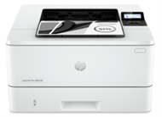

Printing Hot Offer - 50 € Hot Offer Cashback auf jedes HP Printing Produkt. Gültigkeit Oktober 2025 |  | 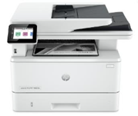 | 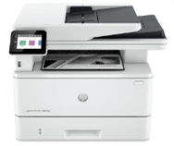 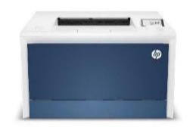 |  | 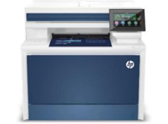 |  | 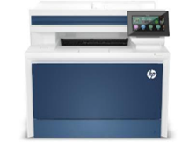 | 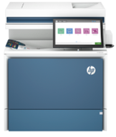 | 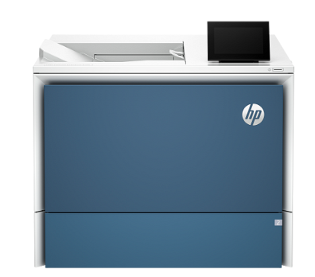 | 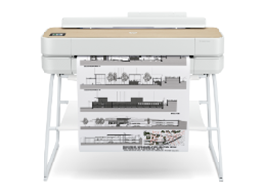 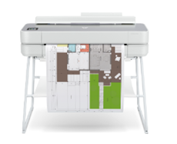 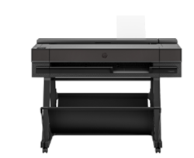 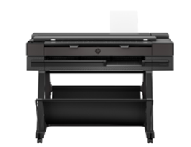 | 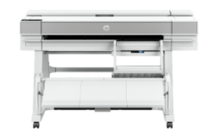 | 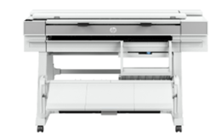
HP Brand
Plattform | HP LaserJet Pro 4002dw | HP LaserJet Pro MFP 4102fdn | HP LaserJet Pro MFP 4102fdw | HP Color LaserJet Pro 4202dn |  | HP Color LaserJet Pro MFP 4302fdn | HP Color LaserJet Pro MFP 4302fdw | HP Color LaserJet Enterprise Flow MFP 5800zf | HP LaserJet Enterprise 6700dn | HP DesignJet T850 | HP DesignJet T850 MFP | HP DesignJet T950 | HP DesignJet T950 MFP
 |  |  |  |  |  |  |  |  |  | 2Y9H0A | 2Y9H1A | 2Y9H2A | 2Y9H3A
HP Artikelnummer | 2Z606F | 2Z623F | 2Z624F | 4RA87F |  | 4RA84F | 5HH64F | 58R10A | 6QN33A
HP Produktlinie | 8A | 8A | 8A | 8A |  | 8A | 8A | C5 |  | 30 | 30 | 30 | 30
Distributions Verfügbarkeit | • | • | • | • |  | • | • | • | • | • | • | • | •
Verfügbarkeitsaussicht (2-6 Wochen) | • | • | • | • |  | • | • | • | • | • | • | • | •
Produkt-/Seriendatenblatt | Datenblatt | Datenblatt | Datenblatt | Datenblatt |  | Datenblatt | Datenblatt | Datenblatt | Datenblatt | Datenblatt | Datenblatt | Datenblatt | Datenblatt
HEK (netto)* | 246 | 394 | 411 | 349 |  | 508 | 528 | 2,296 | 1,018 | bitte via iQuote von der Distribution | bitte via iQuote von der Distribution | bitte via iQuote von der Distribution | bitte via iQuote von der Distribution
UVP (inkl. 19% MWst) | 309 | 499 | 509 | 439 |  | 639 | 659 | 2,869 | 1,279
...

