Information
Sell ​​us your used IT hardware
Simple.Secure.Profitable.
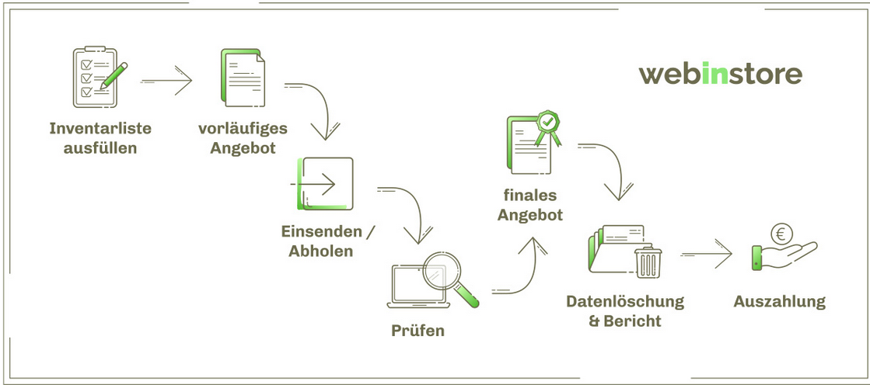
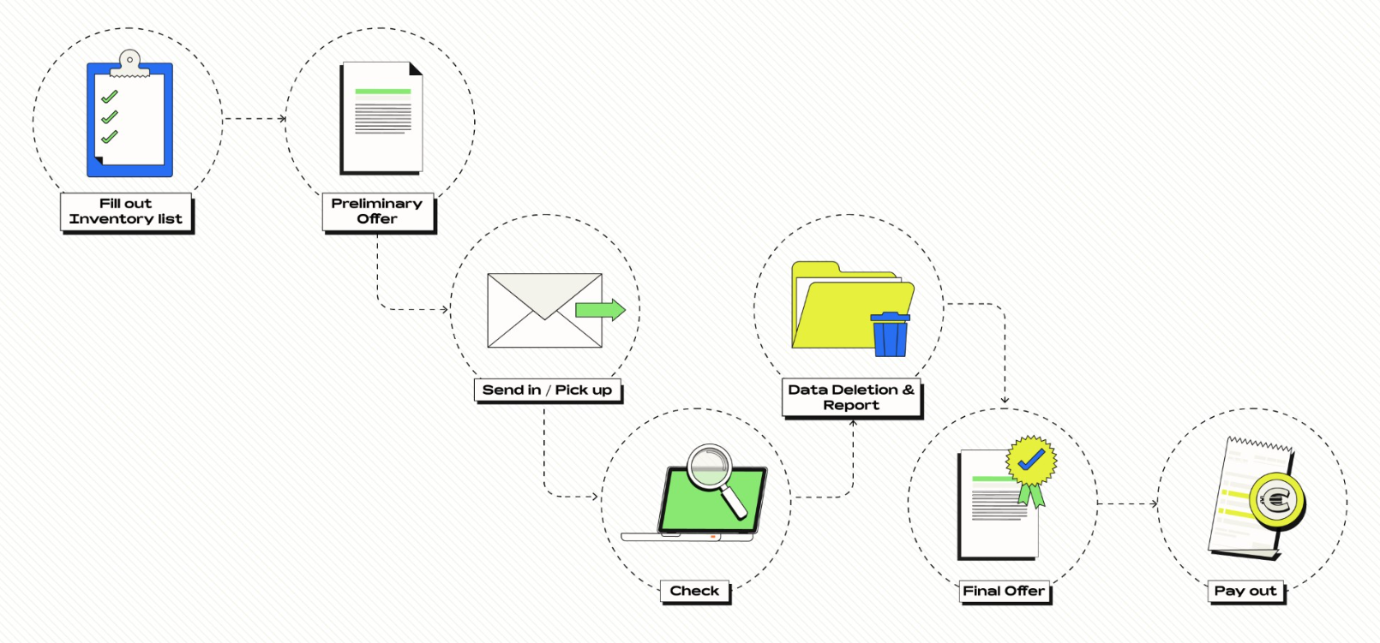

Checklist for entering your hardware
Simply fill out the form and email it to us. You'll receive a purchase offer within 3 working days. If you approve, we'll arrange a pickup date that suits your needs.
Please provide your contact details:
Company:
Name:
E-Mail:
Phone:

The General Terms and Conditions of Purchase (GTC) of ALSO Recommerce/Webinstore AG apply.
Please send the completed evaluation form to:
 | Tradein.arc@also.com

As a seller, you are obligated to truthfully, completely, and accurately represent the characteristics of the device offered for purchase by ALSO Recommerce/Webinstore AG. It is expressly stated that the seller's description is the decisive criterion for price calculation. The purchase price, which is binding for ALSO Recommerce/Webinstore AG, is only determined after the device has been technically inspected.

Visit our ALSO Recommerce/Webinstore AG website: | Link

FAQ
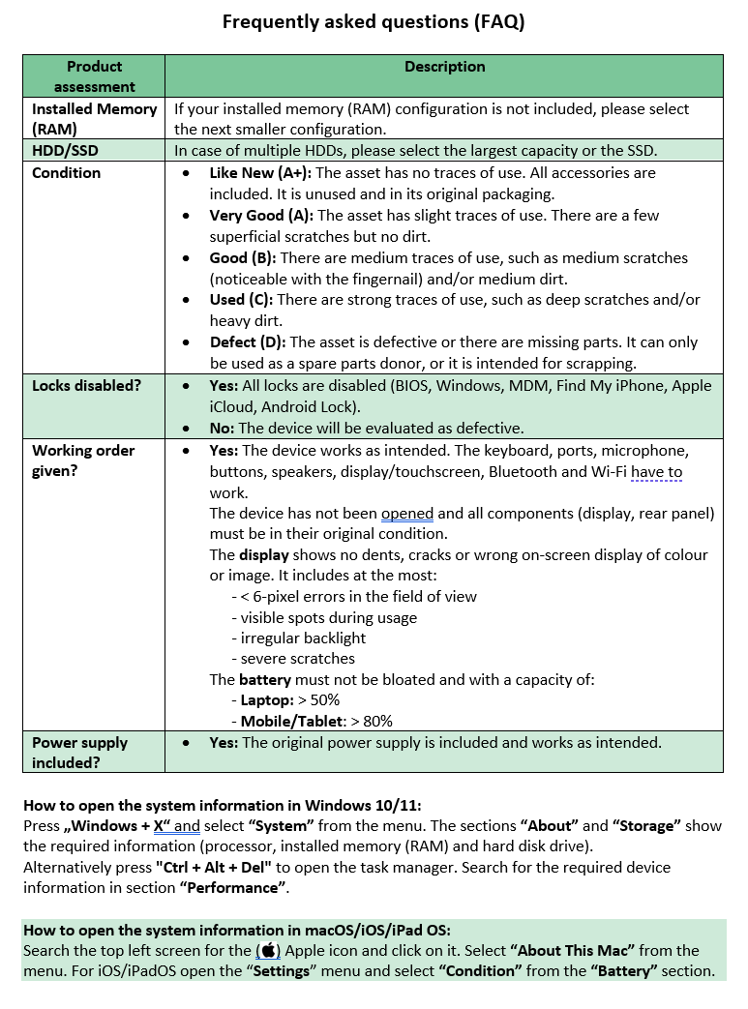

GTC
